2.1 Init Display(Create User)
C-6
C-1
3. Initial display (screen layout)
. Initial display (screen layout) | 3.1 Create User
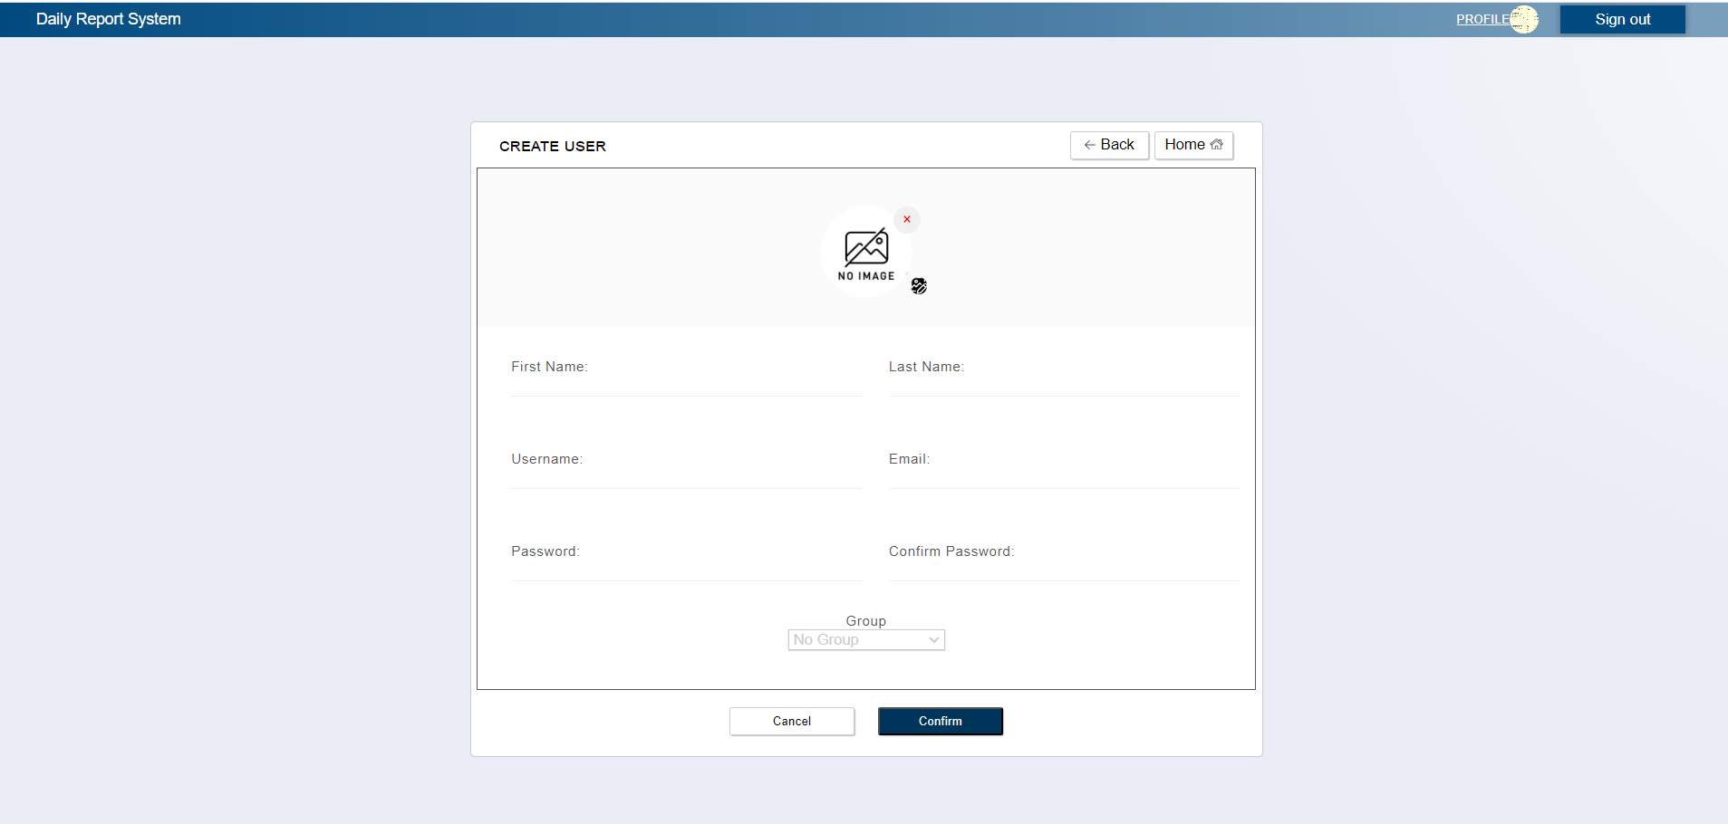
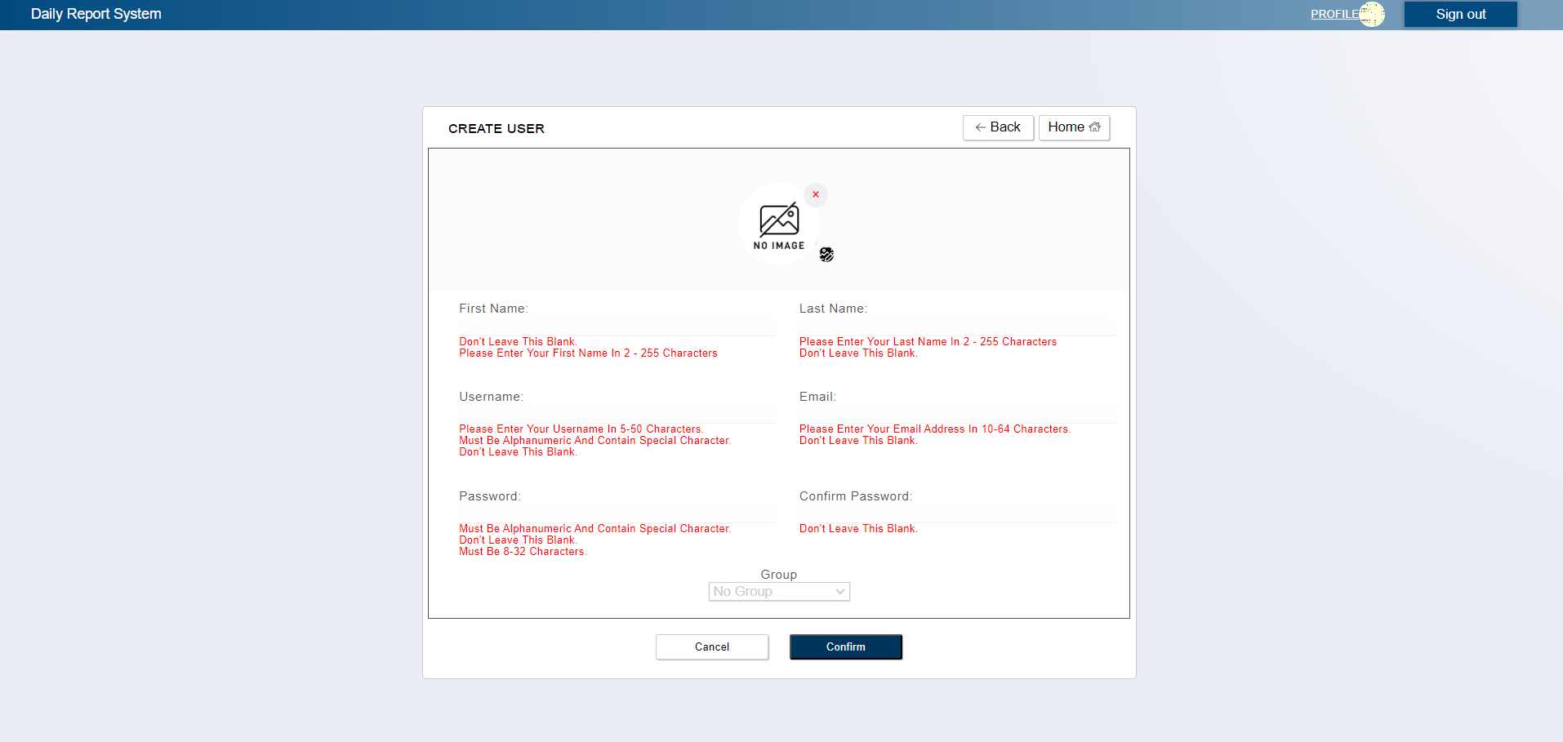

C-4
C-7

B-2

A-7, C-2

B-1
A-4
A-5

A-8
A-1

A-2
A-3

A-6

C-5
C-3

 | No | Area | Item Name | Notes | Source table fields
 | 1 | A-1 | Email | required valid email (60 characters) | ***
 | 2 | A-2 | Password | half-width alphanumeric | ***
 | 3 | A-3 | Confirm Password | half-width alphanumeric | ***
 | 4 | A-4 | First Name | half-width alphanumeric | ***
 | 5 | A-5 | Last Name | half-width alphanumeric | ***
 | 6 | A-6 | Group | (Optional) Selecting a group for a newly created user | M_GROUP
 | 7 | A-7 | Image | ***** | ****
 | 8 | A-8 | Username | half-width alphanumeric | ***
 | 9 | B-1 | Error Message | Error message when the save button is pressed | ***
 | 10 | B-2 | Display Picture | Display Picture | ***
 | 11 | C-1 | Logout | Logout from web application | Logout from web application
 | 12 | C-2 | Upload Image | Show list of images from file explorer for a leader to pick | ***
 | 13 | C-3 | Submit | Proceed to confirmation page | ***
 | 14 | C-4 | Back | Go back to User Creation page for updating some fields | ***
 | 15 | C-5 | Cancel | Cancel User Creation and return to home screen | ***
 | 16 | C-6 | Profile | Move to User Profile Page | ***
 | 17 | C-7 | Home | Return To Home Page | ***

2.2 Init Display(Confirmation)
C-6
C-1
3.2 Confirmation
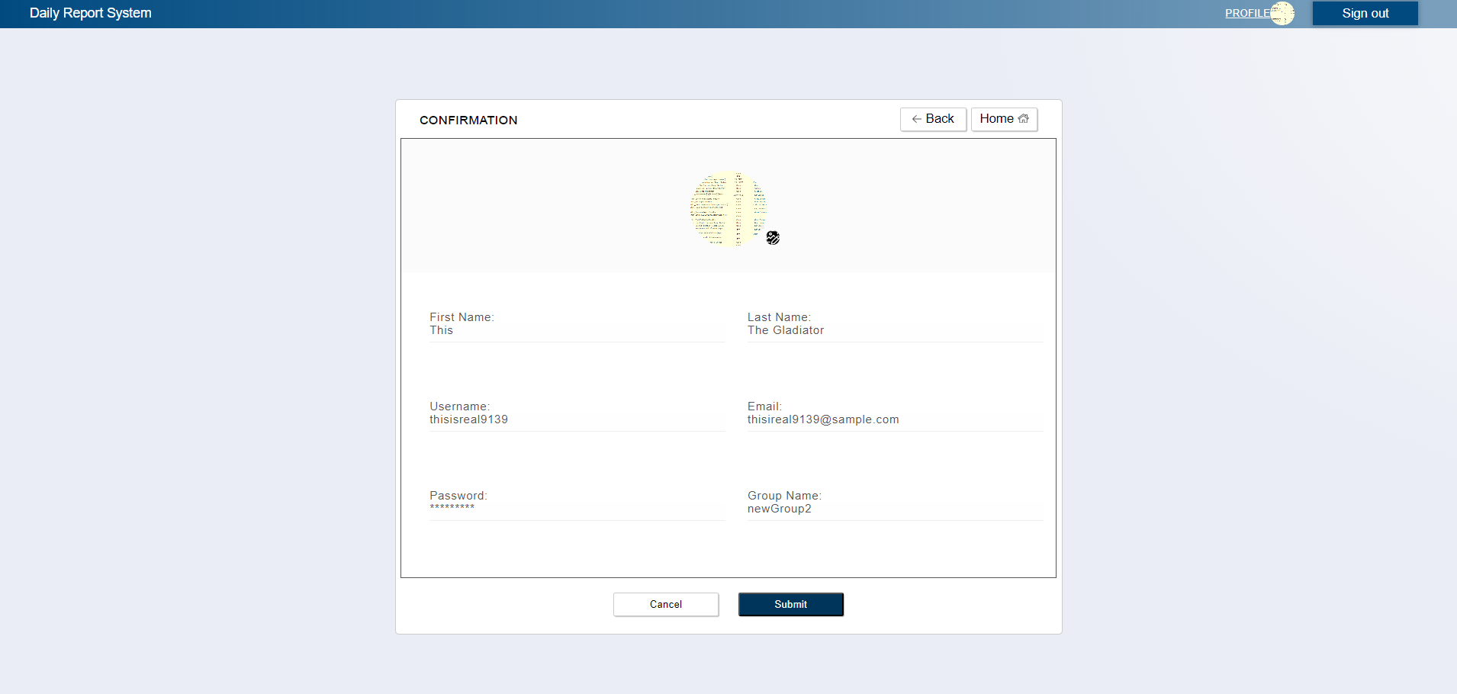

C-3
C-5

B-7

C-3

B-4
B-5

B-8
B-1

B-2
B-6

C-4
C-2

 | No | Area | Item Name | Notes | Source table fields
 | 1 | B-1 | Email | Input from previous page | Email Input Field
 | 2 | B-2 | Password | Input from previous page | Password Input Field
 | 3 | B-4 | First Name | Input from previous page | First Name Input Field
 | 4 | B-5 | Last Name | Input from previous page | Last Name Input Field
 | 5 | B-6 | Group | Input from previous page | Group Selected Option
 | 6 | B-7 | Image | Input from previous page | Image selected from Upload image Field
 | 7 | B-8 | Username | Input from previous page | Username Input Field
 | 8 | C-1 | Logout | Logout from web application | Logout from web application
 | 9 | C-2 | Submit | Save User information | ***
 | 10 | C-3 | Back | Go back to User Creation page for updating some fields, and passing previous values from creation process | ***
 | 11 | C-4 | Cancel | Cancel User Creation and return to home screen | ***
 | 12 | C-5 | Home | Move to User Profile Page | ***
 | 13 | C-6 | Profile | Return To Home Page | ***

